Task4
1.New customer demographics

Distribution of new customers by wealth segment and job industry category
Count of job_industry_category | Column Labels
Row Labels | Argiculture | Entertainment | Financial Services | Health | IT | Manufacturing | Property | Retail | Telecommunications | Grand Total
Affluent Customer | 5 | 7 | 52 | 38 | 13 | 51 | 14 | 20 | 4 | 204
High Net Worth | 2 | 15 | 44 | 41 | 8 | 61 | 13 | 13 | 11 | 208
Mass Customer | 19 | 15 | 107 | 73 | 30 | 87 | 37 | 45 | 10 | 423
Grand Total | 26 | 37 | 203 | 152 | 51 | 199 | 64 | 78 | 25 | 835

Average of past 3 years purchases

Average no of purchases in last 3 years for new customers = 49.836

2.New customer location analysis

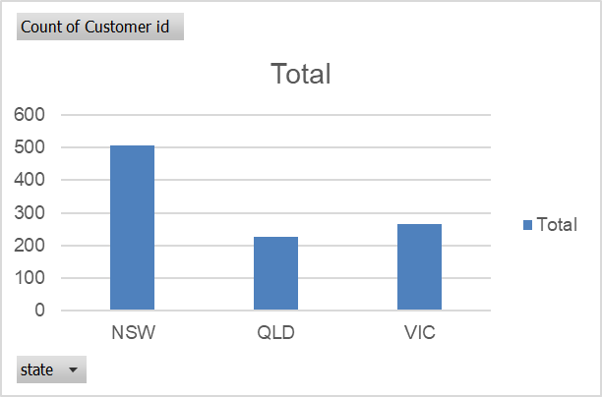
The distribution of new customers by state
Row Labels | Count of Customer id
NSW | 506
QLD | 228
VIC | 266
Grand Total | 1000

Correlation between property valuation and customer wealth segment

Row Labels | Average of property_valuation
Affluent Customer | 6
High Net Worth | 9
Mass Customer | 7.5
Grand Total | 7.8

3.Potential revenue from new customers

Potential revenue
Row Labels | Sum of potential revenue | Sum of Value
99 | 743.68490625 | 7.51196875
98 | 424.81775 | 4.334875
97 | 969.49075 | 9.99475
96 | 735.927 | 7.66590625
95 | 716.5315625 | 7.5424375
94 | 1007.9238125 | 10.72259375
93 | 657.312375 | 7.067875
92 | 476.5715 | 5.180125
91 | 677.438125 | 7.444375
90 | 498.15 | 5.535
9 | 46.69115625 | 5.18790625
89 | 593.185 | 6.665
88 | 886.73475 | 10.07653125
87 | 722.5621875 | 8.3053125
86 | 664.9654375 | 7.73215625
85 | 349.4296875 | 4.1109375
84 | 1183.56 | 14.09
83 | 717.18225 | 8.64075
82 | 832.417875 | 10.1514375
81 | 769.975875 | 9.505875
80 | 397.6875 | 4.97109375
8 | 52.79875 | 6.59984375
79 | 865.39809375 | 10.95440625
78 | 713.49525 | 9.147375
77 | 231.51253125 | 3.00665625
76 | 499.854375 | 6.57703125
75 | 651.36328125 | 8.68484375
74 | 753.1003125 | 10.17703125
73 | 693.545625 | 9.500625
72 | 630.81 | 8.76125
71 | 870.48440625 | 12.26034375
70 | 1124.6484375 | 16.06640625
7 | 77.468125 | 11.066875
69 | 646.40925 | 9.36825
68 | 588.149 | 8.64925
67 | 706.875125 | 10.550375
66 | 690.64875 | 10.464375
65 | 587.884375 | 9.044375
64 | 807.898 | 12.62340625
63 | 315.441 | 5.007
62 | 784.7204375 | 12.65678125
61 | 568.398 | 9.318
60 | 1116.189375 | 18.60315625
6 | 53.27775 | 8.879625
59 | 963.52715625 | 16.33096875
58 | 506.27475 | 8.728875
57 | 668.075625 | 11.720625
56 | 574.88375 | 10.26578125
55 | 504.81921875 | 9.17853125
54 | 506.840625 | 9.3859375
53 | 405.14359375 | 7.64421875
52 | 429.667875 | 8.26284375
51 | 447.23653125 | 8.76934375
50 | 598.5875 | 11.97175
5 | 55.284375 | 11.056875
49 | 361.050375 | 7.368375
48 | 505.1175 | 10.52328125
47 | 545.0443125 | 11.5966875
46 | 421.7783125 | 9.16909375
45 | 422.53171875 | 9.38959375
44 | 516.67825 | 11.7426875
43 | 237.978125 | 5.534375
42 | 558.39525 | 13.295125
41 | 222.1175 | 5.4175
40 | 218.8625 | 5.4715625
4 | 36.843 | 9.21075
39 | 371.65171875 | 9.52953125
38 | 333.6791875 | 8.78103125
37 | 503.778125 | 13.615625
36 | 312.0165 | 8.667125
35 | 194.60875 | 5.56025
34 | 291.91125 | 8.585625
33 | 216.975 | 6.575
32 | 301.472 | 9.421
31 | 188.64953125 | 6.08546875
30 | 314.7009375 | 10.49003125
3 | 24.27196875 | 8.09065625
29 | 231.87584375 | 7.99571875
28 | 192.696875 | 6.88203125
27 | 216.043875 | 8.001625
26 | 231.401625 | 8.9000625
25 | 242.0265625 | 9.6810625
24 | 166.8195 | 6.9508125
23 | 197.371625 | 8.581375
22 | 181.6705 | 8.25775
21 | 188.97703125 | 8.99890625
20 | 47.425 | 2.37125
2 | 17.208125 | 8.6040625
19 | 109.71609375 | 5.77453125
18 | 158.3184375 | 8.79546875
17 | 139.975875 | 8.233875
16 | 80.526 | 5.032875
15 | 162.84515625 | 10.85634375
14 | 110.6940625 | 7.90671875
13 | 102.5578125 | 7.8890625
12 | 117.0345 | 9.752875
11 | 159.72721875 | 14.52065625
10 | 56.72875 | 5.672875
1 | 6.207 | 6.207
0 | 0 | 8.00684375
Grand Total | 43980.910031 | 881.71409375

